3+ Target Crashes
one-pager evaluation report for projects with 3+ Target Crashes

 |  |  |  |  |  |  |  |  |  | Cell Shading Key
 | Safety Project Evaluation |  |  |  |  |  |  |  |  | User Input Required
 |  |  |  |  |  |  |  |  |  | Automatically Calculated

 | Order ID: |  |  |  | Treatment Information | Before | After | Percent Reduction (-) Percent Increase (+)
 | Project ID: |  |  |  |  |  |  |  | Comments for the user:
 | Location: |  |  |  | Total Crashes |  |  | n/a | ● | This tab is for SS/HE project evaluations that have 3 or more target crash types. In the target crash description field, make sure the different target crashes are easily identifible (use a numbering system or bullets). For the relevant target crash values within the "Treatment Information" and "Target Injury Crash Summary" table, use a combination of all the target crashes. Provide the crash total and severity index results for individual target crash types under the "Additional Information" table.
 |  |  |  |  | Total Severity Index |  |  | n/a

 |  |  |  |  | All Target Crashes |  |  | n/a
 | Signal ID or Length: |  |  |  | All Target Crash Severity Index |  |  | n/a
 | GPS Coordinates:
 | County: |  |  |  | Volume (XXXX, XXXX) |  |  | n/a | ● | When inputting that crashes in the time period tabs, use one of the analyst notes columns to denote which crashes are target-3. you can continue to use the provided target-1 and target-2 columns for the 1st two target crashes.
 | City:
 | Division: |  |  |  | Injury Crash Summary | Before | After | Percent Reduction (-) Percent Increase (+)
 |  |  |  |  |  |  |  |  | ● | Cells that are shaded TAN need to be filled in or adjusted prior to printing
 | Countermeasure(s): |  |  |  | Fatal Injury Crashes |  |  | n/a | ● | If a calculated percent increase is significantly above 100% and you feel this change would be best represented by reporting "100% +" then you should manually change these values.
 |  |  |  |  | Class A Injury Crashes |  |  | n/a
 |  |  |  |  | Class B Injury Crashes |  |  | n/a
 |  |  |  |  | Class C Injury Crashes |  |  | n/a | ● | Write any necessary discussion on the evaluation results in the large merged cell at the bottom of the page. TIP: to drop lines within a single cell, press ALT+ENTER
 |  |  |  |  | Property Damage Only |  |  | n/a
 | Estimated Project Cost:
 | Completion Date: |  |  |  | All Targets Injury Crash Summary | Before | After | Percent Reduction (-) Percent Increase (+)
 |  |  |  |  |  |  |  |  | Instructions for printing 1-Pager Results Tab
 |  | Start Date | End Date | Length | Fatal Injury Crashes |  |  | n/a | 1 | Highlight the cells within but not including the GREEN border
 | Before Period |  |  |  | Class A Injury Crashes |  |  | n/a | 2 | Select Print or hit Control + P
 | Construction Period |  |  |  | Class B Injury Crashes |  |  | n/a | 3 | Select the printer you wish to use (Microsoft Print to PDF is recommended with 8.5”x11” paper size)
 | After Period |  |  |  | Class C Injury Crashes |  |  | n/a
 |  |  |  |  | Property Damage Only |  |  | n/a | 4 | In the first box under Settings select “Print Selection”. This will ensure only the cells you have highlighted are printed out, rather than the whole sheet.
 | Analysis Criteria:
 |  |  |  |  | Additional Information | Before | After | Percent Reduction (-) Percent Increase (+) | 5 | Select “Custom Margins” in the second to last dropdown box. Match the margin settings in the pop up box to that of the below image. The Left/Right margins should be 0.1" and the Top/Bottom margins should be 0.3". Also make sure that the “Horizontally” and “Vertically” boxes are checked under the "Center on page" section. This will ensure the print area is centered within the page layout.

 |  |  |  |  | n/a |  |  | n/a
 |  |  |  |  | n/a |  |  | n/a
 | Target Crashes: |  |  |  | n/a |  |  | n/a
 |  |  |  |  | n/a |  |  | n/a |  | ● | 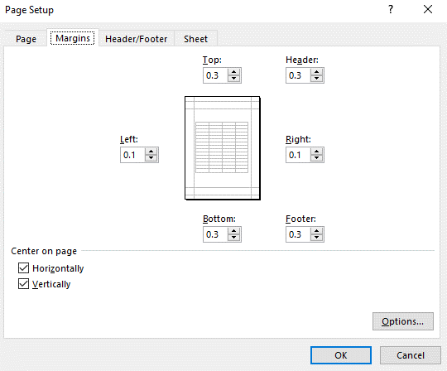
 |  |  |  |  | n/a |  |  | n/a
 |  |  |  |  | n/a |  |  | n/a

 |  |  |  |  | Map/Satellite Views

 | Project Development Comparison
 | Crashes Per Year by Project Time Period | Project Development | Before Period | After Period

 | Years
 | Start Date
 | End Date

 | Total |  |  |  |  |  |  |  | 6 | In the final dropdown box, select “Fit Sheet on One Page”
 | Fatal Injury |  |  |  |  |  |  |  | 7 | Hit Print!
 | Class A Injury |  |  |  |  |  |  |  | NOTE: | If you feel that any of the above print settings should be changed to allow for a better print out of this report, contact TSU staff first. For the vast majority of evaluations, these settings should be best.
 | Class B Injury
 | Class C Injury
 | Property Damage Only

 | Items for Discussion

 | Data Prepared For:
 | The Traffic Safety Unit of the |  |  |  | Data Prepared By:
 | Transportation Mobility and Safety Division of the |  |  |  | Principal Investigator:
 | Division of Highways of the |  |  |  | Work Group/Consultant:
 | North Carolina Department of Transportation |  |  |  | Date:

